Parameters
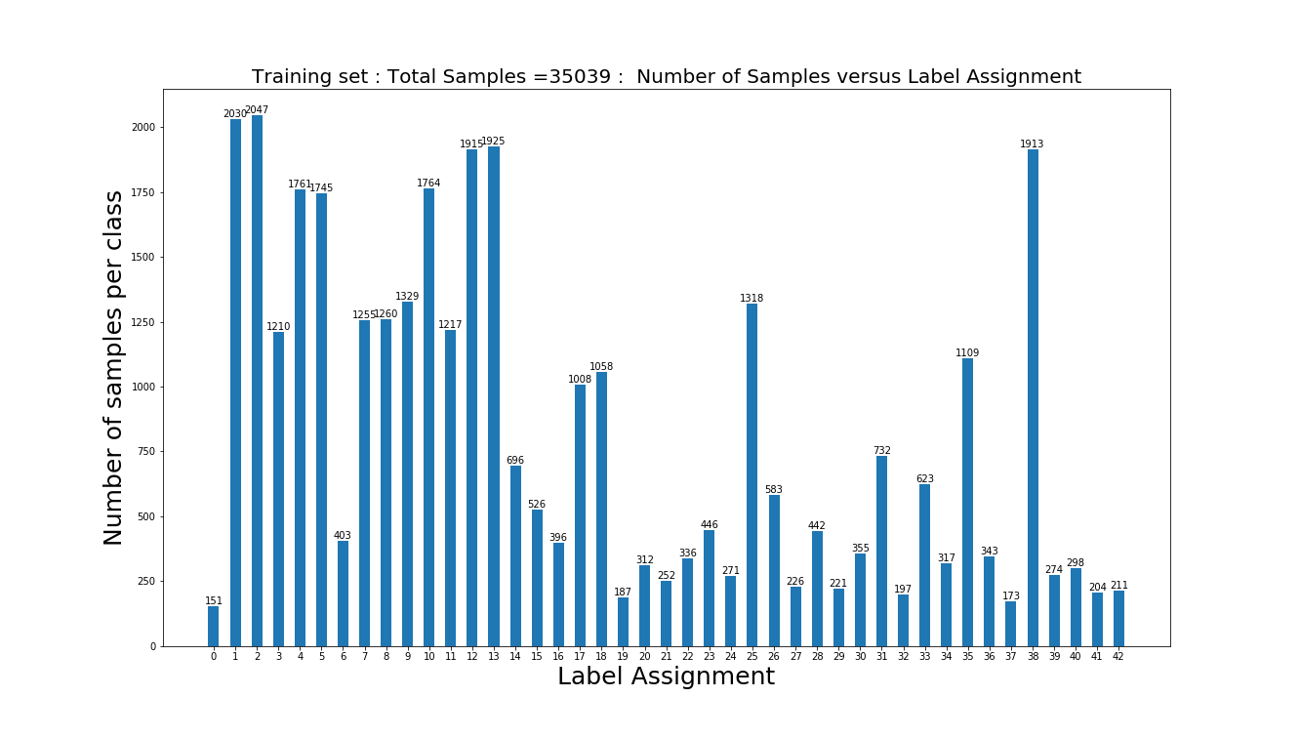

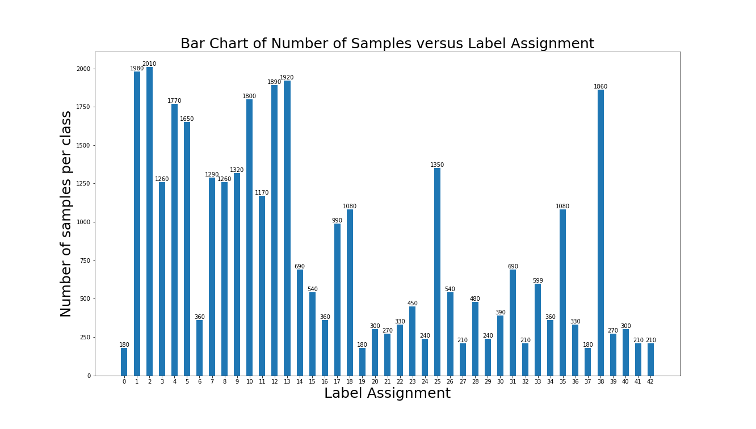
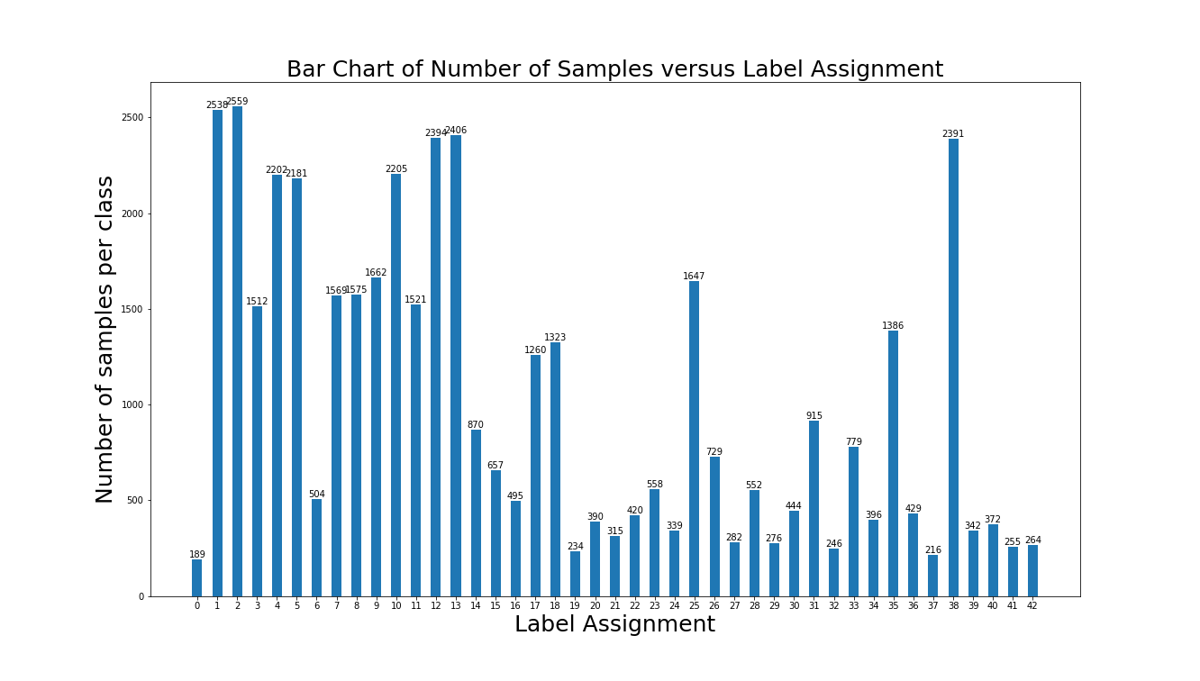
Initial DataSet |  | Bar Chart of Number of Samples versus Label Assignment | After Data Augmentation Number of Samples versus Label Assignment
No. Of Training Samples | 34799
No. Of Testing Samples | 12630
Shape of Image | (32, 32, 3)
No. of classes | 43

 | Post Data Split into Training and validation

